Instructions
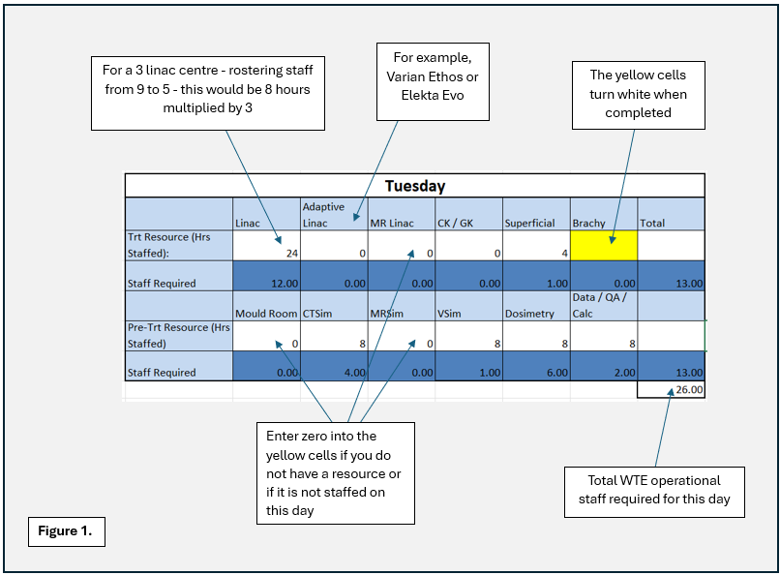
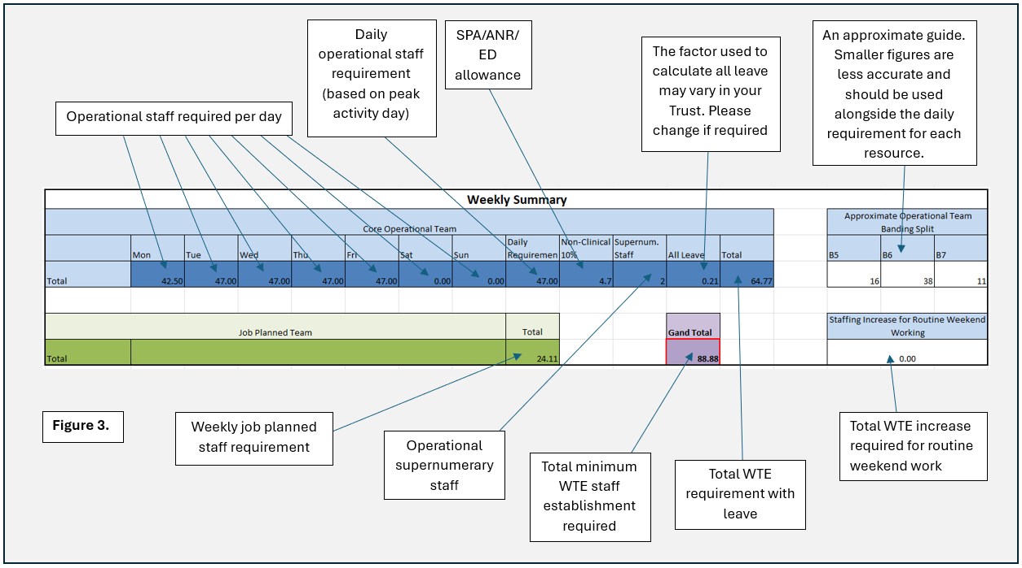
Instructions
Operational Workforce: To complete the spreadsheet for your department, fill in the 'Trt Resource (Hrs Staffed)' and 'Pre-trt Resource (Hrs Staffed)' cells for each day of the week on the 'Staffing Requirements' sheet. These are the yellow cells in rows 5, 8, 14 & 17. Once completed, these cells turn white. Please see Figure 1. These should be completed as the hours staffed, rather than when patients are booked; although, this could be the same. Please zero any resources in the yellow cells which are not part of the radiotherapy staffing establishment, or are not staffed on this day. The data entered into this spreadsheet should not include any on-call hours.
The factors for modelling staff numbers can be found on the 'Factors' tab. The factor for VSim (cell K3) is set to 1, which models services who use their VSim resource solely for palliative planning. If your service uses VSim for addition dosimetry preparation, as described in section 5 of the document, the factor should be changed from '1' to '4'. Please see Figure 2.
Once the data has been entered into the spreadsheet, the operational workforce summary will be calculated in the blue weekly summary section. Please see Figure 3. Within the weekly summary, the daily workforce requirement (cell AJ27) will be identified and leave requirement will be added to give a total operational workforce requirement (cell AN27). An approximate operational team banding split is also provided. This is designed to be a rough guide, with each service varying due to differences in size, operational hours and working practices. Please use this in conjunction with the daily staffing totals for each resource.
If the department routinely operates at the weekend (not including on-call), then these operating hours will be used to calculate the additional staffing requirement to enable weekend working. An uplift is added to account for the increased weekend rates.
Within the blue weekly summary section for the operational workforce there is a cell (AK27) which will calculate the WTE non-clinical or SPA/ANR/ED requirement. This is calculated as 10% of the daily operational workforce. The yellow cell (AL27) is for the average WTE supernumerary staff within the operational team, e.g. a therapeutic radiographer being trained as part of their induction or a rotation.

Job Planned Workforce (green section): This is for roles/requirements not included within the operational workforce and is dependent on the individual service’s working practices and needs. The staffing requirement for this group of staff is determined by job planning. This section of the department’s workforce establishment is broken into four suggested areas:
· Senior Leadership/Consultant Practice
· Practice Development/Education
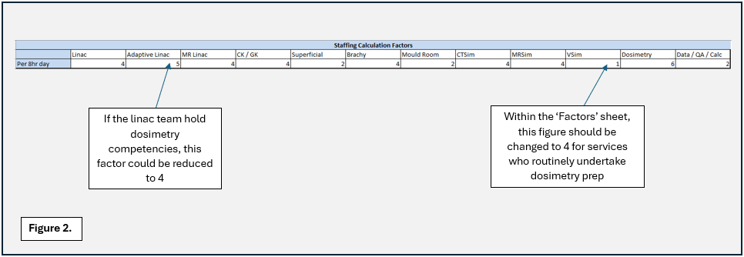
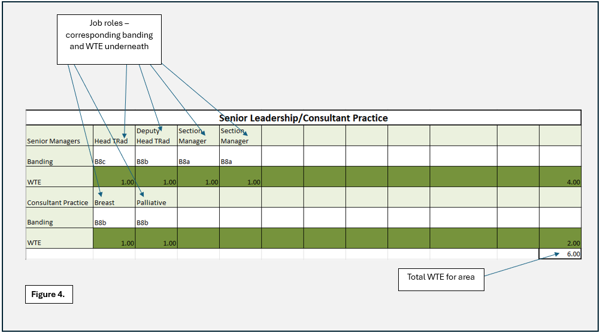
· Advanced Practice/On-Treatment Review
· Administration/Support
These sections can be adapted to best suit each department. For each section the Job Title, Banding and WTE for each role should be entered into the corresponding cells. Please see Figure 4. The WTE requirement will be calculated into totals for each section.
As with the operational workforce, the weekly summary section is used to summarise the job planned workforce. Both the operational total (including routine weekend working) and job planned total are added together in the weekly summary to provide the minimum staffing WTE required to staff the service.

